Instructions
 |  | Life Safety Risk Assessment Tool

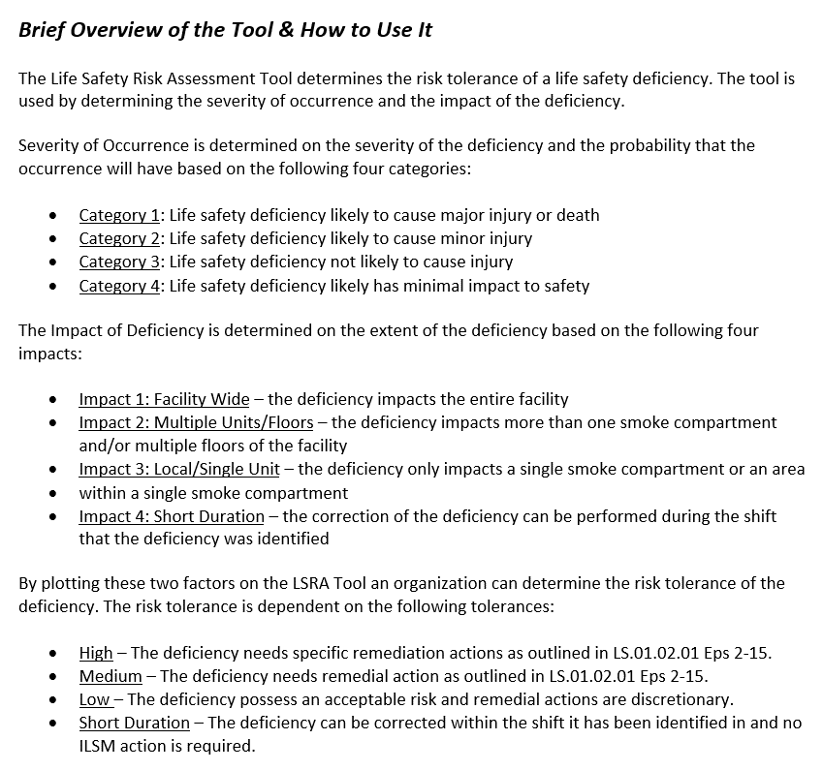

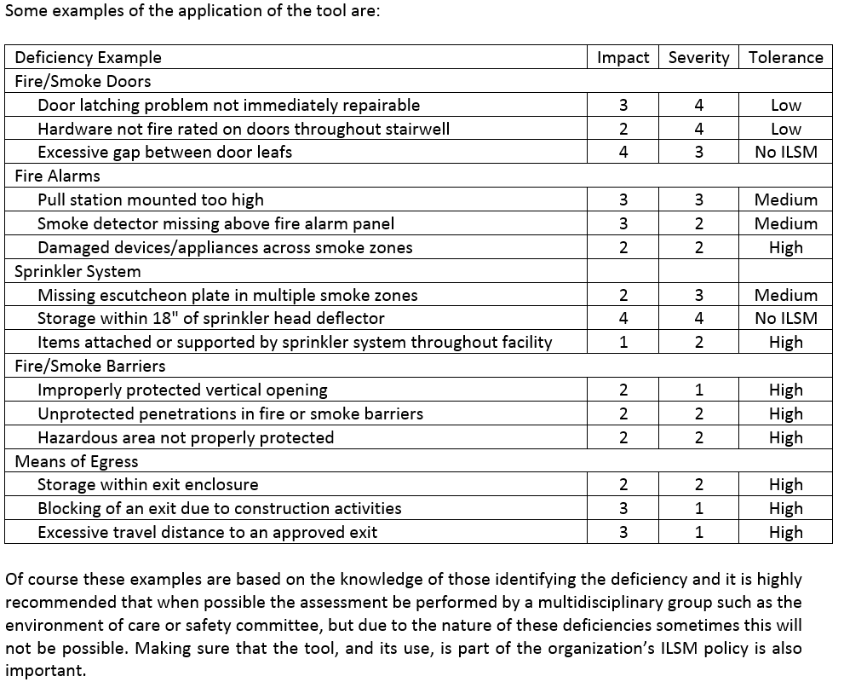

 | The ASHE advocacy team works to monitor and unify the many overlapping codes and standards regulating the health care physical environment allowing health care facilities to optimize their physical environment and focus more of their valuable resources on patient care.

 | The American Society for Healthcare Engineering (ASHE) of the American Hospital Association 155 North Wacker Drive, Suite 400 | Chicago, IL 60606 | Phone: 312-422-3800 | Email: ashe@aha.org | Web: www.ashe.org

Disclaimer: This document is provided by ASHE as a service to its members. The information provided may not apply to a reader’s specific situation and is not a substitute for application of the reader’s own independent judgment or the advice of a competent professional. ASHE does not make any guaranty or warranty as to the accuracy or completeness of any information contained in this document. ASHE and the authors disclaim liability for personal injury, property damage, or other damages of any kind, whether special, indirect, consequential, or compensatory, that may result directly or indirectly from use of or reliance on this document.

